IBR Analysis
Evergreen Services Group Topco, LLC - Progressive Computer Systems
Incremental Borrowing Rate Analysis
615 Eastowne Drive
This tab represents the calculation of the Company's incremental borrowing rate on its leases. In accordance with the ASC 842 guidance, as the rate implicit in the lease is unknown, the Company must discount its leases using its incremental borrowing rate.
The Company (Evergreen) drew on the term loan on January 3, 2025 and used this instrument to calculate its risk premium. The risk-free rate is summed with the interest rate of the term loan to calculate its incremental borrowing rate to calculate its lease liability.

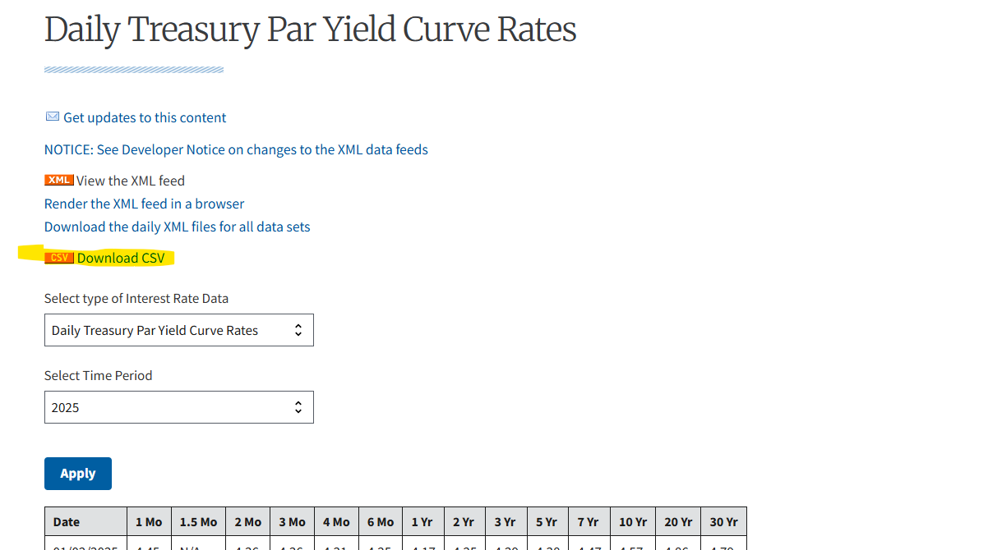
 |  |  |  |  |  |  |  |  |  | Risk-free Rates per the U.S. Treasury Department |  |  |  |  |  |  |  |  |  |  |  |  |  | https://home.treasury.gov/resource-center/data-chart-center/interest-rates/TextView?type=daily_treasury_yield_curve&field_tdr_date_value=2025
 |  |  |  |  |  |  | A | B | C | F
 | Calculation of risk premium using long term debt |  |  |  |  |  |  |  |  | Term | 1 month | 2 month | 3 month | 4 month | 6 month | 1 year | 2 year | 3 year | 5 year | 7 year | 10 year | 20 year | 30 year
 | Debt | Debt commencement date | Debt end date | Measurement date | Term (years) remaining at measurement date | Measurement date | Company discount rate/Borrowing Rate | Company risk-free rate | Company risk premium | Date | 0.083 | 0.1667 | 0.25 | 0.33 | 0.5 | 1 | 2 | 3 | 5 | 7 | 10 | 20 | 30
 | Blackstone Term Loan |  |  |  |  |  |  |  |  | 2025-01-03 | 4.44 | 4.35 | 4.34 | 4.31 | 4.25 | 4.18 | 4.28 | 4.32 | 4.41 | 4.51 | 4.6 | 4.88 | 4.82
 |  |  |  |  |  |  |  |  |  | 2025-04-01 | 4.38 | 4.35 | 4.32 | 4.30 | 4.23 | 4.01 | 3.87 | 3.85 | 3.91 | 4.03 | 4.17 | 4.56 | 4.52
 |  |  |  |  | D | C | E
 | IBR calculation
Tickmark Legend
A - The discount rate is equal to the Company's borrowing rate on its long-term debt as of the measurement date.
B - The Company calculated its debt risk-free rate through straight-line interpolation of the U.S. Treasury rate between the two relevant U.S. Treasury terms.
C - The Company risk premium is calculated as the Company discount rate minus the Company risk-free rate.
D - The Company calculated the lease risk-free rate through straight-line interpolation of the U.S. Treasury rate between the two relevant U.S. Treasury terms.
E - The Company calculated the lease incremental borrowing rate as the lease risk-free rate plus the Company risk premium.
F - This daily yield curve rate data was obtained directly from the U.S. Treasury website (https://home.treasury.gov/resource-center/data-chart-center/interest-rates/TextView?type=daily_treasury_yield_curve&field_tdr_date_value=2024).
 | Lease | Lease commencement date | Lease end date | Remaining Lease Term (Years) | Lease risk-free rate | Company risk premium | Lease incremental borrowing rate
 | 615 Eastowne Dr | 2025-04-01 | 2030-03-30 | 5.00 | 3.91% | 0.00% | 3.91%

